Spanish (Colombia)
Genentech GA45331_GA45332 Reminder Icon eCOA Handheld Screenshots
 | Project Information
 | Sponsor name and Protocol number: | Genentech GA45331_GA45332
 | Source Language: | English (US)
 | Target Language: | Spanish (Colombia)
 | Screenshot Document Date: | 4-Dec-24
 | Screenshot Document Version: | 1.00
Screen Name | English Screen Shot | Translated Screen Shot | Comments
application#dashboard_DynamicText1.png | 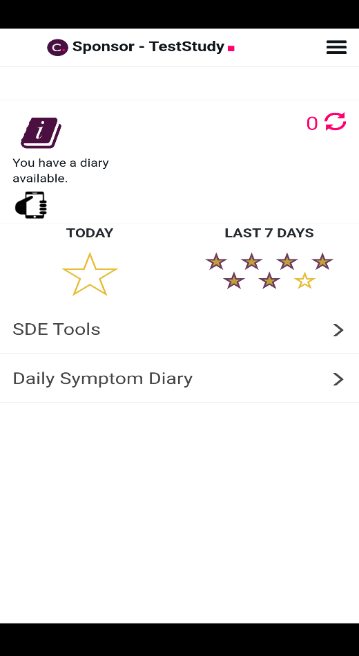 | 